viz
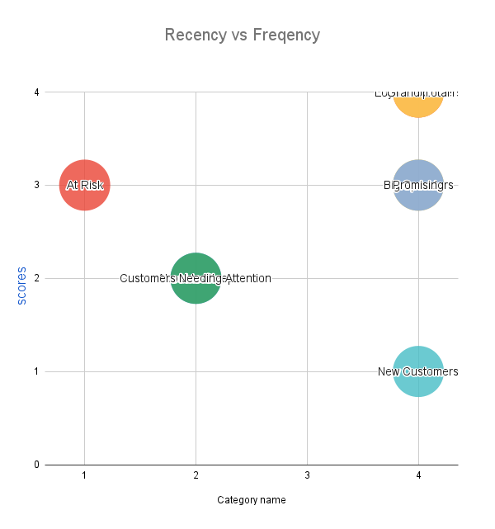
Category name | MAX of R_score | MAX of f_score | MAX of M_score
About to Sleep | 2 | 2 | 2
At Risk | 1 | 3 | 3
Big Spenders | 4 | 3 | 4
Customers Needing Attention | 2 | 2 | 2
Loyal Customers | 4 | 4 | 4 | .
New Customers | 4 | 1 | 1
Promising | 4 | 3 | 3
Top | 4 | 4 | 4
Grand Total | 4 | 4 | 4

